Sheet1
Q2: PART a |  | part c |  | part d
 | part b
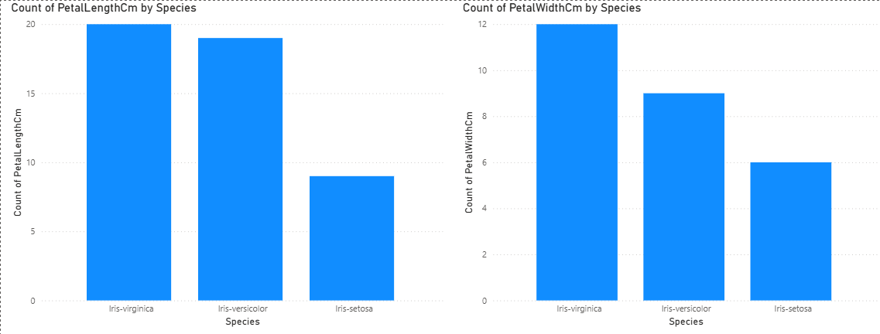
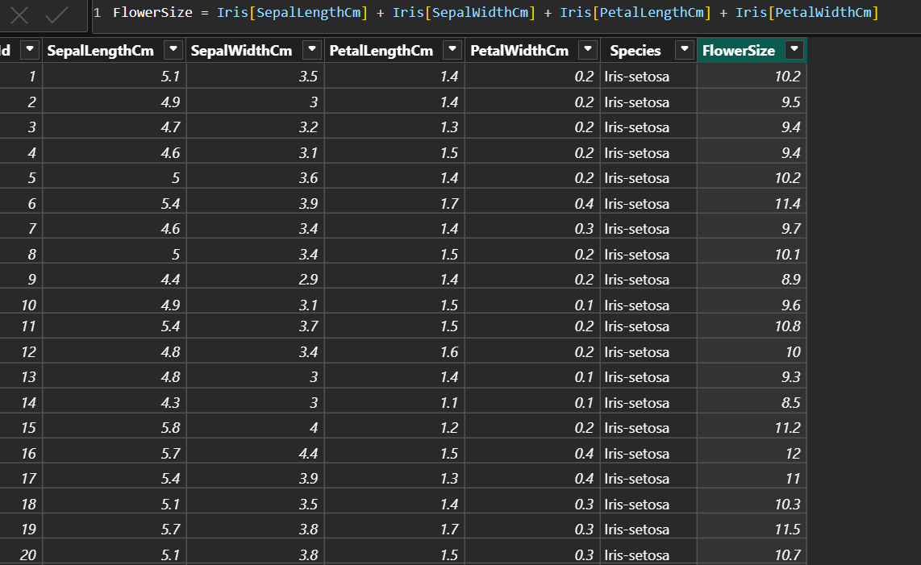
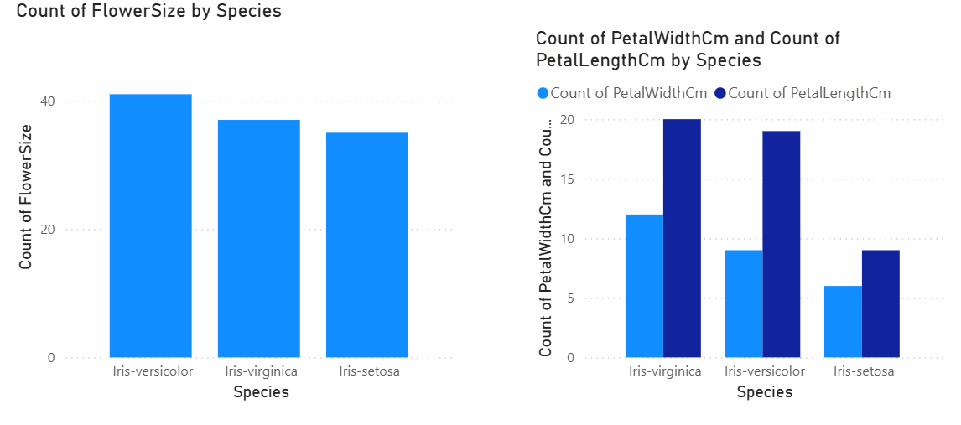

 |  |  | ii. | Answer: Yes, absolutely! Very effectively.
 |  |  | iii. | Petal measurements are MORE discriminative
 |  |  | iv. | threshold setting

